Statistics and overhead charges
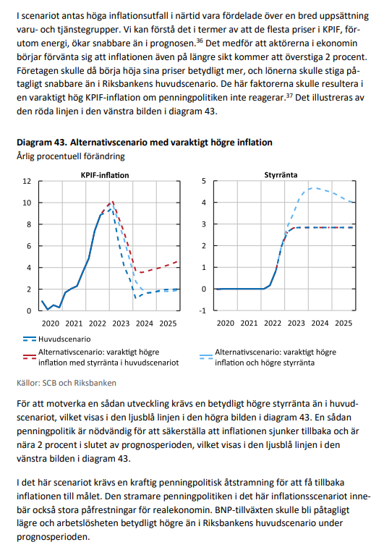
Statistics and overhead charges

Salary statistics – Lund University January 2024
(excl. those on 100% leave of absence)

Also refer to Kuben, where salaries are updated monthly
https://www.ekonomiwebben.lu.se/

Position | Avg. salary
Professor | 72,000
Lector | 53,800
Phd | 33,000
Researcher | 41,000
Postdoc | 37,300
Project assist | 27,000

Specification of overhead charges used in calculation of salary costs
 |  |  | 2024
Salary costs
Social security costs (LKP) | total overhead charge on gross salary |  | 56.74%
 | for people born 1988 or later |  | 56.74%
 | for people born 1937 or earlier |  | 17.87%
 | for people born 1938-1954 |  | 28.08%

Forecast salary increase - calculation value |  |  | 3.50%

Holiday pay costs
1 day of holiday as % of monthly salary |  |  | 4.60%

Holiday bonus for each paid day of holiday |  |  | 0.44%

Annual leave entitlement | Age | Number of days of annual leave
 | <30 | 28
 | 30-39 | 31
 | >39 | 35
Also refer to the Staff Pages for more detailed information
http://www.medarbetarwebben.lu.se/anstallning/semester-ledigheter-och-sjukfranvaro/semester

Index trend
Forecast change according to the consumer price index main scenario 2022 nov |  |  | 2.00%
Forecast change according to the consumer price index alternative scenario 2022 nov |  |  | 4.00%

https://www.hr-webben.lu.se/sites/hr-webben.lu.se/files/2022-12/Sociala%20avgifter%202023.pdf

https://www.scb.se/hitta-statistik/statistik-efter-amne/priser-och-konsumtion/konsumentprisindex/konsumentprisindex-kpi/

Information om påläggsbasen from 2022
https://www.ekonomiwebben.lu.se/sites/ekonomiwebben.lu.se/files/2021-09/information-om-forandring-i-palaggsbasen-from-2022.pdf

https://www.riksbank.se/globalassets/media/rapporter/ppr/fordjupningar/svenska/2022/alternativa-scenarier-for-inflationen-och-penningpolitiken-fordjupning-i-penningpolitisk-rapport-november-2022.pdf

